Categorical
Features | Classes | n=300 |  | Chi Square Test |  | Odds Ratio Test | Confidence Interval |  | MANOVA VARIABLE
 |  | Headache (f=210) | No Headache (f=90) | Chi Square | p value |  | Lower Bound | Upper Bound
Gender | Female | 182 (86.67%) | 63 (70.0%) | 10.601643255 | 0.0011298719708 | 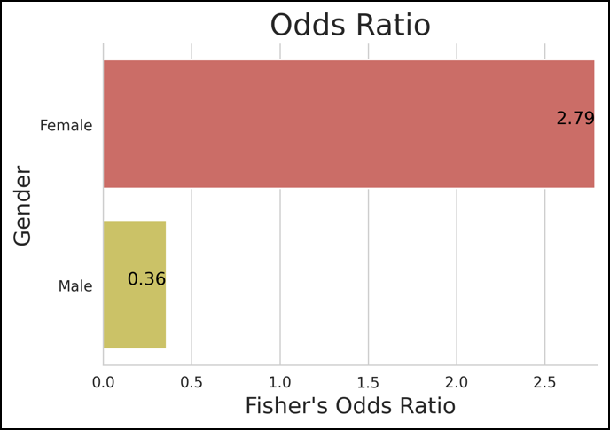 | 0.24831398032 | 0.96501935302
 | Male | 28 (13.33%) | 27 (30.0%) |  |  |  | -0.12006815032 | 0.30673481699
Area | ICU | 43 (20.48%) | 16 (17.78%) | 0.14467563522 | 0.70367634341 | 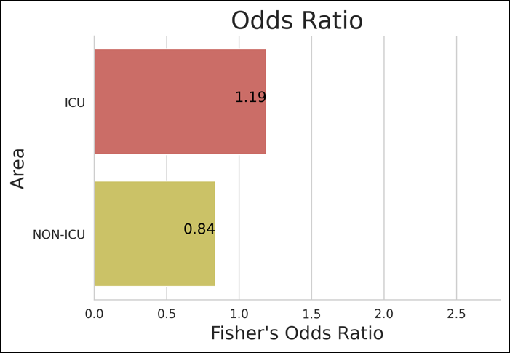 | -0.11372681645 | 0.40039348312
 | NON-ICU | 167 (79.52%) | 74 (82.22%) |  |  |  | 0.19223339251 | 0.92109994083
Domiciliary | Hostel | 24 (11.43%) | 13 (14.44%) | 1.3320803797 | 0.72152973406 | 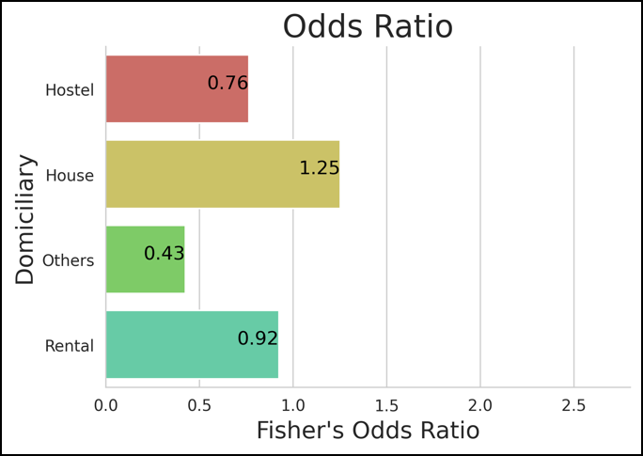 | 0.030152961099 | 0.1298470389
 | House | 98 (46.67%) | 37 (41.11%) |  |  |  | 0.24049431891 | 0.41283901442
 | Others | 1 (0.48%) | 1 (1.11%) |  |  |  | -0.0072571260022 | 0.013923792669
 | Rental | 87 (41.43%) | 39 (43.33%) |  |  |  | 0.20662638532 | 0.37337361468
Religion | Christianity | 27 (12.86%) | 6 (6.67%) | 4.4671781333 | 0.21523667379 | 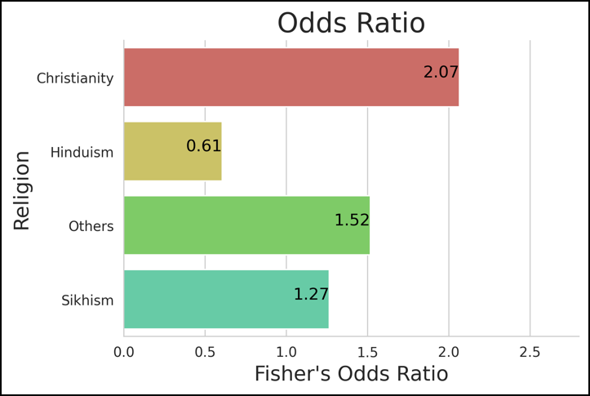 | 0.037417357382 | 0.14258264262
 | Hinduism | 115 (54.76%) | 60 (66.67%) |  |  |  | 0.29399990787 | 0.4726667588
 | Others | 7 (3.33%) | 2 (2.22%) |  |  |  | -0.0044038293035 | 0.05107049597
 | Sikhism | 61 (29.05%) | 22 (24.44%) |  |  |  | 0.12938250026 | 0.27728416641
MaritalStatus | Married | 138 (65.71%) | 58 (64.44%) | 0.33493339616 | 0.84580478374 | 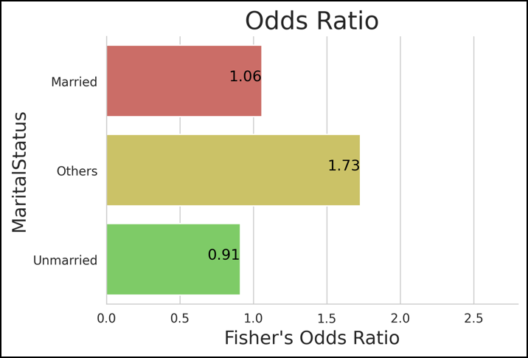 | 0.33619121442 | 0.58380878558
 | Others | 4 (1.9%) | 1 (1.11%) |  |  |  | -0.015159147474 | 0.041825814141
 | Unmarried | 68 (32.38%) | 31 (34.44%) |  |  |  | 0.12266199148 | 0.33067134185
GradeC | No | 36 (17.14%) | 10 (11.11%) | 1.3314911723 | 0.24854010987 | 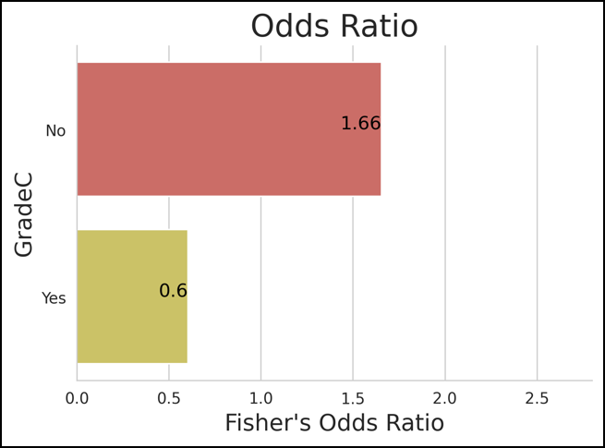 | -0.11838953177 | 0.35838953177
 | Yes | 174 (82.86%) | 80 (88.89%) |  |  |  | 0.21792889827 | 0.94207110173
Hectic | Evening | 7 (3.33%) | 5 (5.56%) | 6.3705528188 | 0.09490978306 | 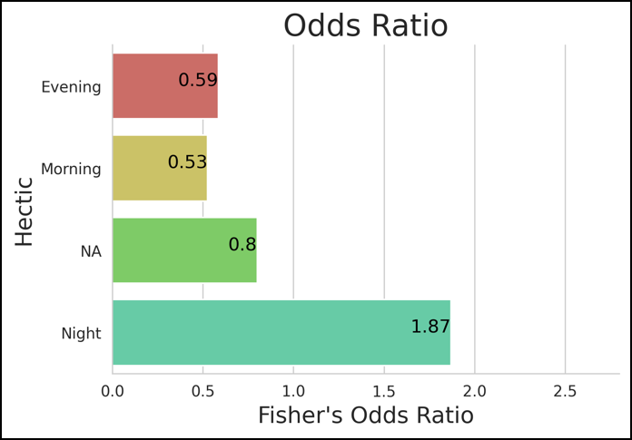 | -0.0044038293035 | 0.05107049597
 | Morning | 29 (13.81%) | 21 (23.33%) |  |  |  | 0.04237129039 | 0.15096204294
 | NA | 23 (10.95%) | 12 (13.33%) |  |  |  | 0.027780835295 | 0.12555249804
 | Night | 151 (71.9%) | 52 (57.78%) |  |  |  | 0.41146606334 | 0.59520060332

